SHEET
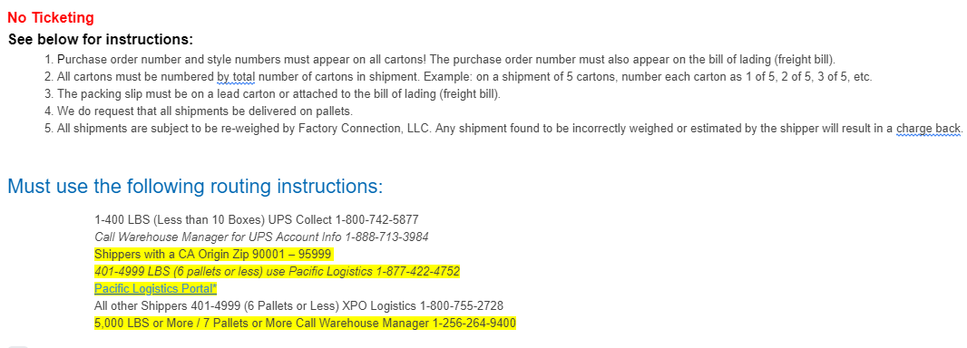
FACTORY CONNECTION

PICK TICKET CHECK LIST |  |  |  | PO# 13792
 |  |  |  | PT# 1762115

TICKETING |  | PRE-TICKETED

ROUTING |  |  |  |  | SHIP VIA: ROUTING

PACKING INSTRUCTIONS:
MARK ALL CTNS WITH WITH CUSTOMER NAME, PO# AND STYLE#
LABEL FORMAT
Purchase Order#:
Style NAME :
Ctn Qty:
Color:
Carton # : 1 of _

STYLE# | COLOR | SUB STYLE | SUB CLR | CUSTOMER STYLE# | QTY
54KAYLA | BLB |  |  | 54KAYLA-BLB | 300
54KAYLA | BLC |  |  | 54KAYLA-BLC | 300
54KAYLA | CNC |  |  | 54KAYLA-CNC | 300
54KAYLA | CNR |  |  | 54KAYLA-CNR | 300
54KAYLA | TAC |  |  | 54KAYLA-TAC | 600
54KAYLA | TUB |  |  | 54KAYLA-TUB | 300
 |  |  |  | -
 |  |  |  | -
 |  |  |  | -
 |  |  |  | -

 |  |  |  | TOTAL | 2,100

INSTRUCTIONS:

